Task from Netflix
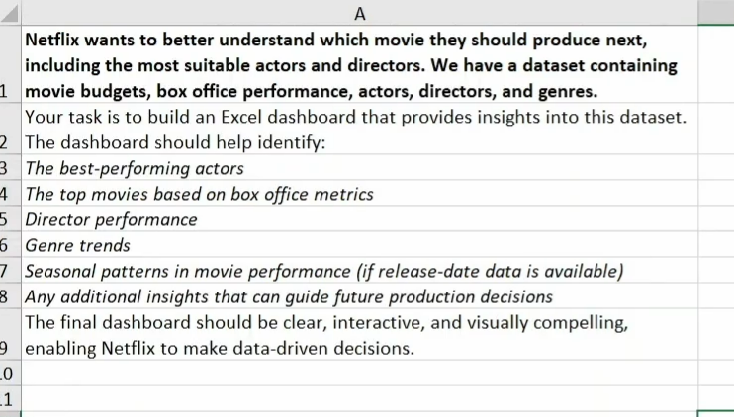

Dashboard
NETLIX MOVIE PERFORMANCE DASHBOARD |  |  |  |  | Insights :
 |  |  |  |  | 1. Action movies generate the highest revenue ($6.42B).

 |  |  |  |  | 2. July has the highest box office revenue ($2.68B)

 |  |  |  |  | 3. Horror movies show strong returns.

 |  |  |  |  | 4. Ben Affleck is the top actor by revenue in the dashboard ranking

 |  |  |  |  | 5. Romance and biography generate lower total revenue
Genre Trends
 | Total
Action | $6,417,100,000
Adventure | $1,313,800,000
Comedy | $1,241,800,000
Horror | $797,300,000
Sci-Fi | $685,100,000
Drama | $547,200,000
Thriller | $505,100,000
Fantasy | $192,200,000
Romance | $99,300,000
Crime | $66,100,000
Biography | $33,400,000
Religious | $23,500,000
Seasonality
 | Total
Jan | $1,356,200,000
Feb | $1,721,900,000
Mar | $1,560,900,000
Apr | $466,300,000
May | $1,345,900,000
Jun | $1,988,500,000
Jul | $2,677,200,000
Aug | $805,000,000
 |  |  |  |  | Overall recommendation: Focus on high-performing genres like Action, explore profitable low-budget Horror movies, and use historical performance to guide future production decisions.

Top 5 Actors |  |  | Top 5 Genres
Row Labels | Sum of Box Office Revenue ($) |  | Row Labels | Sum of Box Office Revenue ($)
Ben Affleck | $872,700,000 |  | Action | $6,417,100,000
Ryan Reynolds | $782,600,000 |  | Adventure | $1,313,800,000
Louis C.K. | $724,900,000 |  | Comedy | $1,241,800,000
Will Smith | $636,700,000 |  | Horror | $797,300,000
Deng Chao | $553,800,000 |  | Sci-Fi | $685,100,000
Grand Total | $3,570,700,000 |  | Grand Total | $10,455,100,000

Top 5 Movies |  |  | Top 5 Directors
Movie Title | Genres.Genre | Sum of ROE | Row Labels | Sum of Box Office Revenue ($)
Lights Out | Horror | 2469% | Zack Snyder | $872,700,000
Deadpool | Action | 1249% | Tim Miller | $782,600,000
The Witch | Horror | 1247% | Chris Renaud | $724,900,000
The Purge: Election Year | Horror | 956% | David Ayer | $636,700,000
Me Before You | Drama | 881% | Stephen Chow | $553,800,000
Grand Total |  | 6802% | Grand Total | $3,570,700,000

